Coverpage
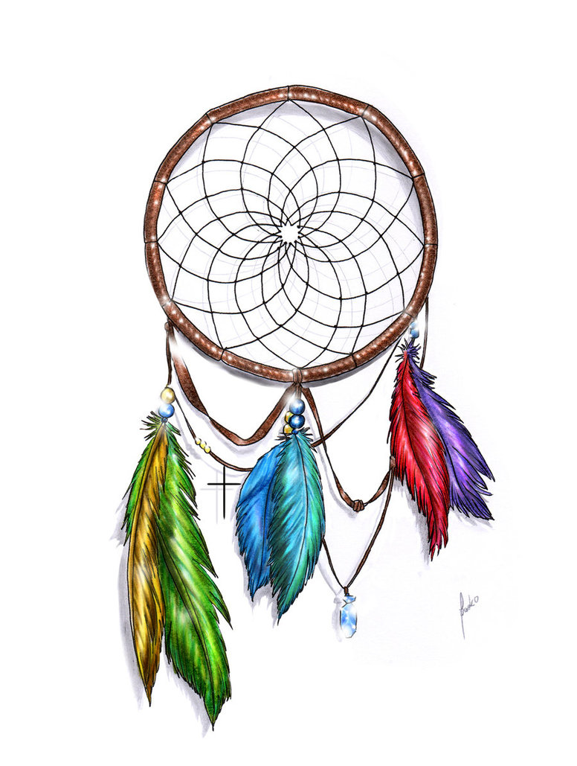

STATISTIC
GENERATOR

DREAMCATCHER

Toto 7/49 Statistic Programmed By Remy Lim 2016 Mar

Summary
 | Sum
 | 207
 | 140
 | 245
 | 206
 | 190
 | 174
 | 187
 | 162
 | 190
 | 168
 | 229
 | 228
 | 161
 | 153
 | 155
 | 155
 | 162
 | 184
 | 218
 | 140
 | 134
 | 180
 | 155
 | 178
 | 156
 | 236
 | 224
 | 117
 | 132
 | 169
 | 196
 | 169
 | 169
 | 166
 | 164
 | 165
 | 174
 | 183
 | 184
 | 210
 | 251
 | 217
 | 149
 | 219
 | 131
 | 213
 | 119
 | 191
...
...
 | Big |  |  |  | Small
...
 | 3 |  |  |  | 4
...
 | Odd |  |  |  | Even
...
 | 0 |  |  |  | 0
...
Repeat
 | 1
 | 1
 | 0
 | 1
 | 1
 | 2
 | 1
 | 2
 | 0
 | 1
 | 1
 | 2
 | 0
 | 1
 | 1
 | 1
 | 0
 | 0
 | 2
 | 0
 | 1
 | 0
 | 1
 | 0
 | 2
 | 0
 | 0
 | 2
 | 1
 | 2
 | 2
 | 0
 | 2
 | 0
 | 1
 | 2
 | 0
 | 0
 | 1
 | 1
 | 1
 | 3
 | 1
 | 2
 | 1
 | 2
 | 2
 | 2
 | 0
 | 1
 | 0
...
 |  |  | 3 |  | 5
 | 8 |  | 10 |  | 12
...
 |  | 23 | 24 |  | 26
 |  |  |  |  | 33
 |  | 37 | 38
 |  |  | 45 | 46
...
PAIRS
 | 0
 | 0
 | 1
 | 0
 | 0
 | 1
 | 1
 | 0
 | 0
 | 1
 | 0
 | 1
 | 0
 | 1
 | 2
 | 1
 | 0
 | 1
 | 0
 | 0
 | 1
 | 1
 | 0
 | 0
 | 1
 | 1
 | 1
 | 0
 | 0
 | 0
 | 1
 | 3
 | 0
 | 1
 | 2
 | 0
 | 1
 | 1
 | 0
 | 0
 | 3
 | 1
 | 1
 | 1
 | 2
 | 0
 | 2
 | 0
 | 1
 | 1
 | 0
...
Ball |  | 1 | 2 | 3 | 4
Freq |  | 38 | 41 | 42 | 33
Rank |  | 29 | 18 | 16 | 42

263 |  | A | B | C | D
 |  | 46 |  | 31
 |  | 46 |  | 8
Last
Ball |  | 46 | 8 | 31 | 20
Freq |  | 54 | 51 |  | 48
 |  | 0 | 0 | 0 | 0

 |  | 46 | 8 | 31 | 20
 |  | 46 | 8 | 31 | 20
 |  | 46 | 8 | 31 | 20
 |  | 46 | 8 | 31 | 20
 |  | 46 | 8 | 31 | 20
 |  | 46 | 8 | 31 | 20
 |  | 46 | 8 | 31 | 20
 |  | 46 | 8 | 31 | 20
 |  | 46 | 8 | 31 | 20
 |  | 46 | 8 | 31 | 20
...

Statistic
...
45 | 46 | 47 | 48 | 49 | 49% | Sum | O/E | Big | Small | Odd | Even |  | 1stSET | 2ndSET | 3rdSET | 4thSET | 5thSET | Repeat | Pairs
45 | 46 | 47 | 48 | 49 |  |  |  | 1 | 0 | 1 | 1 | 7 | 0 | 0 | 0 | 0 | 0
21 | 44 | 35 | 39 | 40 | 61 |  |  | 10 | 18 | 12 | 9 | 6 | 0 | 0 | 0 | 0 | 0
19 | 32 | 30 | 29 | 35 | 60 |  |  | 33 | 47 | 48 | 43 | 5 | 0 | 0 | 2 | 1 | 0
15 | 26 | 27 | 22 | 30 | 59 |  |  | 83 | 85 | 73 | 90 | 4 | 5 | 6 | 8 | 4 | 8
14 | 24 | 19 | 17 | 22 | 58 |  |  | 85 | 83 | 90 | 73 | 3 | 28 | 28 | 30 | 34 | 32
12 | 21 | 15 | 15 | 17 | 57 |  |  | 47 | 33 | 43 | 48 | 2 | 74 | 79 | 91 | 84 | 74
12 | 16 | 11 | 14 | 14 | 56 |  |  | 18 | 10 | 9 | 12 | 1 | 119 | 105 | 100 | 100 | 116
11 | 13 | 10 | 12 | 14 | 55 |  |  | 0 | 1 | 1 | 1 | 0 | 51 | 59 | 46 | 54 | 47
11 | 10 | 9 | 12 | 8 | 54
11 | 9 | 9 | 10 | 7 | 53 |  |  |  |  |  |  | Max | 119 | 105 | 100 | 100 | 116
 | Sum
 | 207
 | 140
 | 245
 | 206
 | 190
 | 174
 | 187
 | 162
 | 190
 | 168
 | 229
 | 228
 | 161
 | 153
 | 155
 | 155
 | 162
 | 184
 | 218
 | 140
 | 134
 | 180
 | 155
 | 178
 | 156
 | 236
 | 224
 | 117
 | 132
 | 169
 | 196
 | 169
 | 169
 | 166
 | 164
 | 165
 | 174
 | 183
 | 184
 | 210
 | 251
 | 217
 | 149
 | 219
 | 131
 | 213
 | 119
 | 191
...
11 | 7 | 9 | 10 | 6 | 52
9 | 4 | 6 | 9 | 6 | 51
8 | 2 | 6 | 7 | 5 | 51
8 | 1 | 5 | 5 | 5 | 50
8 | 1 | 5 | 5 | 2 | 50
8 | 1 | 5 | 3 | 2 | 49
7 | 1 | 4 | 3 | 2 | 49
5 | 1 | 4 | 3 | 1 | 48
5 | 1 | 3 | 3 | 1 | 48
5 | 1 | 3 | 3 | 1 | 47
5 | 1 | 3 | 2 | 1 | 47
5 | 1 | 2 | 1 | 1 | 46
5 | 1 | 2 | 1 | 1 | 46
3 | 1 | 1 | 1 | 1 | 45
2 | 1 | 1 | 1 | 1 | 45
2 | 1 | 1 | 1 | 1 | 27
2 | 1 | 1 | 1 | 1 | 44
2 | 0 | 1 | 1 | 1 | 44
2 | 0 | 1 | 1 | 1 | 43
2 | 0 | 1 | 0 | 1 | 43
2 | 0 | 1 | 0 | 1 | 43
2 | 0 | 1 | 0 | 1 | 42
2 | 0 | 1 | 0 | 1 | 42
2 | 0 | 1 | 0 | 0 | 42
2 | 0 | 1 | 0 | 0 | 41
2 | 0 | 1 | 0 | 0 | 41
1 | 0 | 1 | 0 | 0 | 41
1 | 0 | 1 | 0 | 0 | 41
1 | 0 | 0 | 0 | 0 | 40 |  |  | 1 | 1
1 | 0 | 0 | 0 | 0 | 40 |  |  | 2 | 8
1 | 0 | 0 | 0 | 0 | 40 |  |  | 3 | 12
1 | 0 | 0 | 0 | 0 | 40 |  |  | 4 | 8
1 | 0 | 0 | 0 | 0 | 39 |  |  | 5 | 3
1 | 0 | 0 | 0 | 0 | 39
Repeat
 | 1
 | 1
 | 0
 | 1
 | 1
 | 2
 | 1
 | 2
 | 0
 | 1
 | 1
 | 2
 | 0
 | 1
 | 1
 | 1
 | 0
 | 0
 | 2
 | 0
 | 1
 | 0
 | 1
 | 0
 | 2
 | 0
 | 0
 | 2
 | 1
 | 2
 | 2
 | 0
 | 2
 | 0
 | 1
 | 2
 | 0
 | 0
 | 1
 | 1
 | 1
 | 3
 | 1
 | 2
 | 1
 | 2
 | 2
 | 2
 | 0
 | 1
 | 0
...
1 | 0 | 0 | 0 | 0 | 39
0 | 0 | 0 | 0 | 0 | 39
0 | 0 | 0 | 0 | 0 | 39
0 | 0 | 0 | 0 | 0 | 38
0 | 0 | 0 | 0 | 0 | 38
0 | 0 | 0 | 0 | 0 | 38
...
PAIRS
 | 0
 | 0
 | 1
 | 0
 | 0
 | 1
 | 1
 | 0
 | 0
 | 1
 | 0
 | 1
 | 0
 | 1
 | 2
 | 1
 | 0
 | 1
 | 0
 | 0
 | 1
 | 1
 | 0
 | 0
 | 1
 | 1
 | 1
 | 0
 | 0
 | 0
 | 1
 | 3
 | 0
 | 1
 | 2
 | 0
 | 1
 | 1
 | 0
 | 0
 | 3
 | 1
 | 1
 | 1
 | 2
 | 0
 | 2
 | 0
 | 1
 | 1
 | 0
...
...

Scan
...
Big/Small | Odd/Even | B/S | 7 | 16 | 25 | 34 | 43 | 52 | 61 | 70 | 43
34 | 43 | O/E | 7 | 16 | 25 | 34 | 43 | 52 | 61 | 70 | 70
52 | 34 | 7 |  |  | 1 |  |  |  |  |  |  | Odd | Even
52 | 43 | 16 |  |  | 1 | 4 | 4
43 | 34 | 25 |  | 2 | 6 | 9 | 13 | 11 | 1 | 1
43 | 52 | 34 |  | 2 | 13 | 29 | 27 | 18 | 1
34 | 34 | 43 |  | 4 | 14 | 26 | 12 | 11 | 6
16 | 52 | 52 | 1 | 1 | 4 | 20 | 14 | 6 | 2
25 | 43 | 61 |  |  | 3 | 2 | 3 | 2 | 2
43 | 25 | 70
43 | 61
Big
 | Big
 | 4
 | 2
 | 6
 | 4
 | 4
 | 3
 | 3
 | 3
 | 4
 | 3
 | 5
 | 5
 | 4
 | 4
 | 3
 | 1
 | 2
 | 4
 | 4
 | 1
 | 2
 | 2
 | 2
 | 3
 | 3
 | 5
 | 4
 | 1
 | 2
 | 4
 | 4
 | 3
 | 4
 | 4
 | 3
 | 3
 | 4
 | 3
 | 4
 | 6
 | 6
 | 6
 | 2
 | 5
 | 2
 | 6
 | 2
 | 4
...
16 | 61
25 | 43
25 | 43
25 | 34
34 | 43
34 | 25
52 | 43
43 | 25
16 | 34
25 | 43
43 | 52
43 | 43
34 | 34
43 | 52
43 | 25
ODD
 | Odd
 | 7
 | 2
 | 5
 | 2
 | 2
 | 4
 | 3
 | 4
 | 6
 | 4
 | 3
 | 4
 | 3
 | 5
 | 3
 | 5
 | 4
 | 2
 | 6
 | 6
 | 4
 | 4
 | 3
 | 4
 | 2
 | 4
 | 2
 | 3
 | 4
 | 5
 | 4
 | 3
 | 5
 | 2
 | 2
 | 3
 | 4
 | 5
 | 2
 | 2
 | 1
 | 3
 | 3
 | 3
 | 5
 | 3
 | 3
 | 3
...
34 | 25
34 | 34
43 | 43
34 | 52
43 | 25
61 | 25
61 | 16
61 | 34
25 | 34
52 | 34
25 | 52
61 | 34
25 | 34
43 | 34
43 | 25
52 | 61
43 | 43
16 | 43
52 | 34
16 | 52
34 | 43
34 | 34
34 | 52
34 | 43
16 | 16
...

Trend
EXECUTE
 |  |  |  | 260 | 11 | 25 | 39 | 41 | 47

 |  |  |  | 20 |  |  | 24
...
 |  |  |  |  | 36
46
46 |  | 31 |  |  |  |  |  |  | 49
46 |  | 8 |  |  |  |  | 6
...
46 | 8 | 31 | 20 | 21 | 36 | 6 | 24 | 48 | 49
54 | 51 | 51 | 48 | 48 | 48 | 46 | 46 | 45 | 45
...

Loop
LOOP
 |  |  | 43 | 1 | 2 | 3 | 4 | 5
 |  |  | 87 | 0 | 1 | 29 | 0 | 1
40 | 46 | 49 | 46 | 40 | 18 | 48 | 49 | 36
31 | 8 | 48 | 8 | 31 | 48 | 35 | 26 | 24
46 | 46 | 49 | 46 | 46 | 49 | 41 | 18 | 36
8 | 8 | 48 | 8 | 8 | 48 | 35 | 48 | 35
46 | 46 | 49 | 46 | 46 | 49 | 41 | 49 | 41
8 | 8 | 48 | 8 | 8 | 48 | 35 | 48 | 35
46 | 46 | 49 | 46 | 46 | 49 | 41 | 49 | 41

Cycle
History
17-Aug-17 |  |  |  |  |  |  | 277 |  | 277
 | 1 | 2 | 3 | 4 | 5 | 6 | 7 | 8 | 9 | 10 | 11
Jan | 4 | 4 | 4 | 4 | 5 | 6 | 5 | 3 | 3 |  | 2
Feb | 1 | 6 | 4 | 1 | 2 | 3 | 6 | 7 | 3 | 4 | 3
Mar | 2 | 3 | 4 | 2 | 4 | 5 | 2 | 4 | 7 | 4 | 3
Apr | 4 | 4 | 7 | 4 |  | 3 | 4 | 1 | 4 | 2 | 2
May | 4 | 1 | 2 | 4 | 3 | 5 | 4 | 9 | 3 | 2 | 2
Jun | 5 | 4 | 3 | 2 | 6 | 3 | 3 | 3 | 6 | 1 | 3
Jul | 1 | 6 | 1 | 4 | 3 | 6 | 6 | 3 | 5 | 2 | 7 | 2
Aug | 4 | 3 | 2 | 1 | 4 | 5 | 2 | 7 | 2 | 3 | 6 | 3
Sep | 3 | 1 | 6 | 3 | 2 | 2 | 1 | 5 | 4 | 3 | 3 | 4
Oct | 2 | 2 | 4 | 1 | 4 | 5 | 4 | 3 | 3 | 1 | 1
Nov | 6 | 4 | 3 | 2 | 2 | 1 |  | 2 | 1 | 3 | 3 | 2
Dec | 2 | 3 | 2 | 5 | 4 | 2 | 1 | 4 | 2 | 5 | 5 | 3

 | 38 | 41 | 42 | 33 | 39 | 46 | 38 | 51 | 43 | 30 | 40 | 38
 | 6
SEE
Total Blank | 24
Mlast | 30

8 | 4 | 3 | 2 | 1 | 4 | 5 | 2 | 7 | 2 | 3 | 6 | 3
 | 1 | 2 | 3 | 4 | 5 | 6 | 7 | 8 | 9 | 10 | 11 | 12
2017-08-17 | 0 | 0 | 0 | 0 | 0 | 0 | 0 | 0 | 0 | 0 | 1 | 0
2017-08-14 | 0 | 1 | 0 | 0 | 0 | 1 | 0 | 1 | 0 | 0 | 0 | 0
2017-08-10 | 1 | 0 | 0 | 0 | 0 | 0 | 0 | 0 | 0 | 0 | 0 | 0
2017-08-07 | 0 | 0 | 0 | 0 | 1 | 0 | 0 | 0 | 0 | 0 | 0 | 0
2017-08-03 | 0 | 0 | 0 | 0 | 0 | 0 | 0 | 0 | 0 | 0 | 0 | 0
2016-08-29 | 0 | 0 | 0 | 0 | 0 | 0 | 0 | 0 | 0 | 0 | 1 | 0
2016-08-25 | 0 | 0 | 0 | 0 | 1 | 1 | 0 | 0 | 0 | 0 | 1 | 0
2016-08-22 | 1 | 0 | 0 | 0 | 0 | 0 | 0 | 0 | 0 | 1 | 0 | 0
...

6num
Crunch 6
...
Draw | N1 | N2 | N3 | N4 | N5 | N6

2014-12-22 | 5 | 10 | 19 | 32 | 38 | 44
2014-12-25 | 1 | 5 | 15 | 24 | 25 | 42
2014-12-29 | 1 | 4 | 27 | 42 | 44 | 47
2015-01-01 | 1 | 4 | 18 | 31 | 48 | 49
2015-01-05 | 1 | 22 | 27 | 34 | 35 | 37
2015-01-08 | 5 | 7 | 9 | 15 | 34 | 38
2015-01-12 | 25 | 32 | 41 | 43 | 47 | 48
2015-01-15 | 2 | 3 | 9 | 16 | 33 | 37
...

